Timing update Feb1
May | Jun | Jul | Aug | Sep | Oct | Nov | Dec | Jan | Feb | Mar | Apr | May | Jun | Jul | Aug | Sep | Oct | Nov | Dec | Jan | Feb | Mar | 2022-04-01 | 2022-05-01 | 2022-06-01 | 2022-07-01 | 2022-08-01 | 2022-09-01 | 2022-10-01 | 2022-11-01 | 2022-12-01 | 2023-01-01 | 2023-02-01 | 2023-03-01 | 2023-04-01 | 2023-05-01 | 2023-06-01 | 2023-07-01 | 2023-08-01 | 2023-09-01 | 2023-10-01 | 2023-11-01 | 2023-12-01 | 2024-01-01 | 2024-02-01
FDJ
DCV
Aug 18

Pano
Wireframes

Function Spec Clarification
(Lead by EESE&CVPP Feature owners)
Function Spec Clarification
Revisions as required

Group A
Mar 1
Group B
Apr 15
Group C
May 15
Group D
Jul 1

Interaction spec / UE
Revisions as required

Supplier onboard
UE Creation Start
Feb 2
Group A
Mar 15
Group B
Apr 30
Group C
May 31
Group D
Jul 15

China IVI HMI
(Lead by HMI and Studio)
for 1 theme
Hero Screen & UIkit

Global 707
Theme & Interaction Reivew in GAR
Mar. 1
Group A
Mar 30
Group B
May 15
Group C
Jun 31
Group D
Jul 31

Pano + Controller Production assets /UI
Revisions as required

UI Creation Start
Apr 15
Group B
Jul 30
Group C
Sep 15
Group D
Oct 30
Group A
Jun 15

Revisions as required
Usability validation external Clinic

SystemUI Usability validation

China Software
(Lead by EESE)

R05 for pre-DV
Jul. 10
R09 for DCV1
Nov.17
R05 for DCV2
Mar.23

UE

China Rear Armrest Control Panel HMI
English
Jan.28
Chinese
Feb.10

Revisions
Hero Screeen

TBD
TBD

Assets

Kick off
Jan. 28

English
Mar. 30

PA Experience review

System UI Timing - Jan15
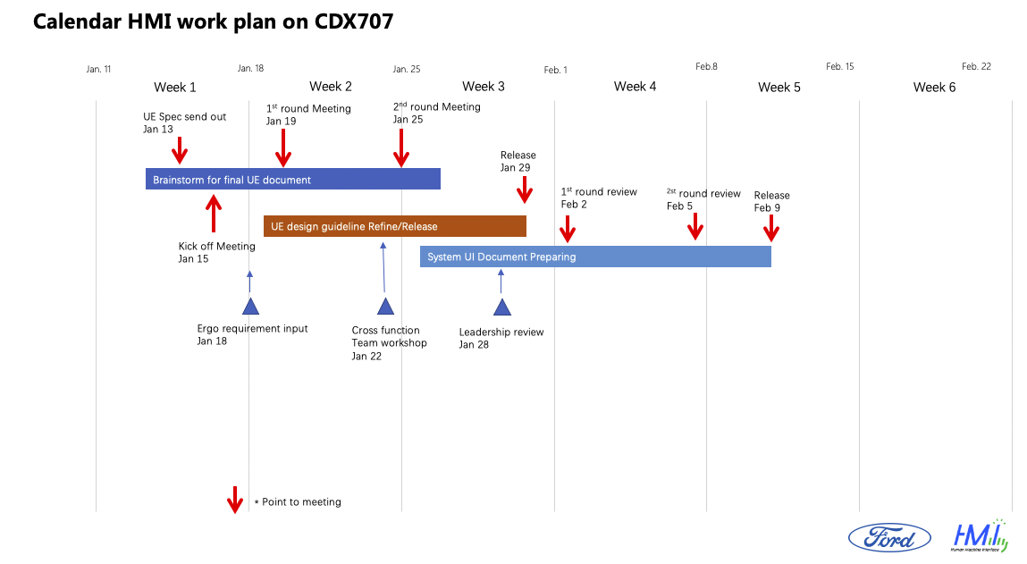

HMI Sign off R&R
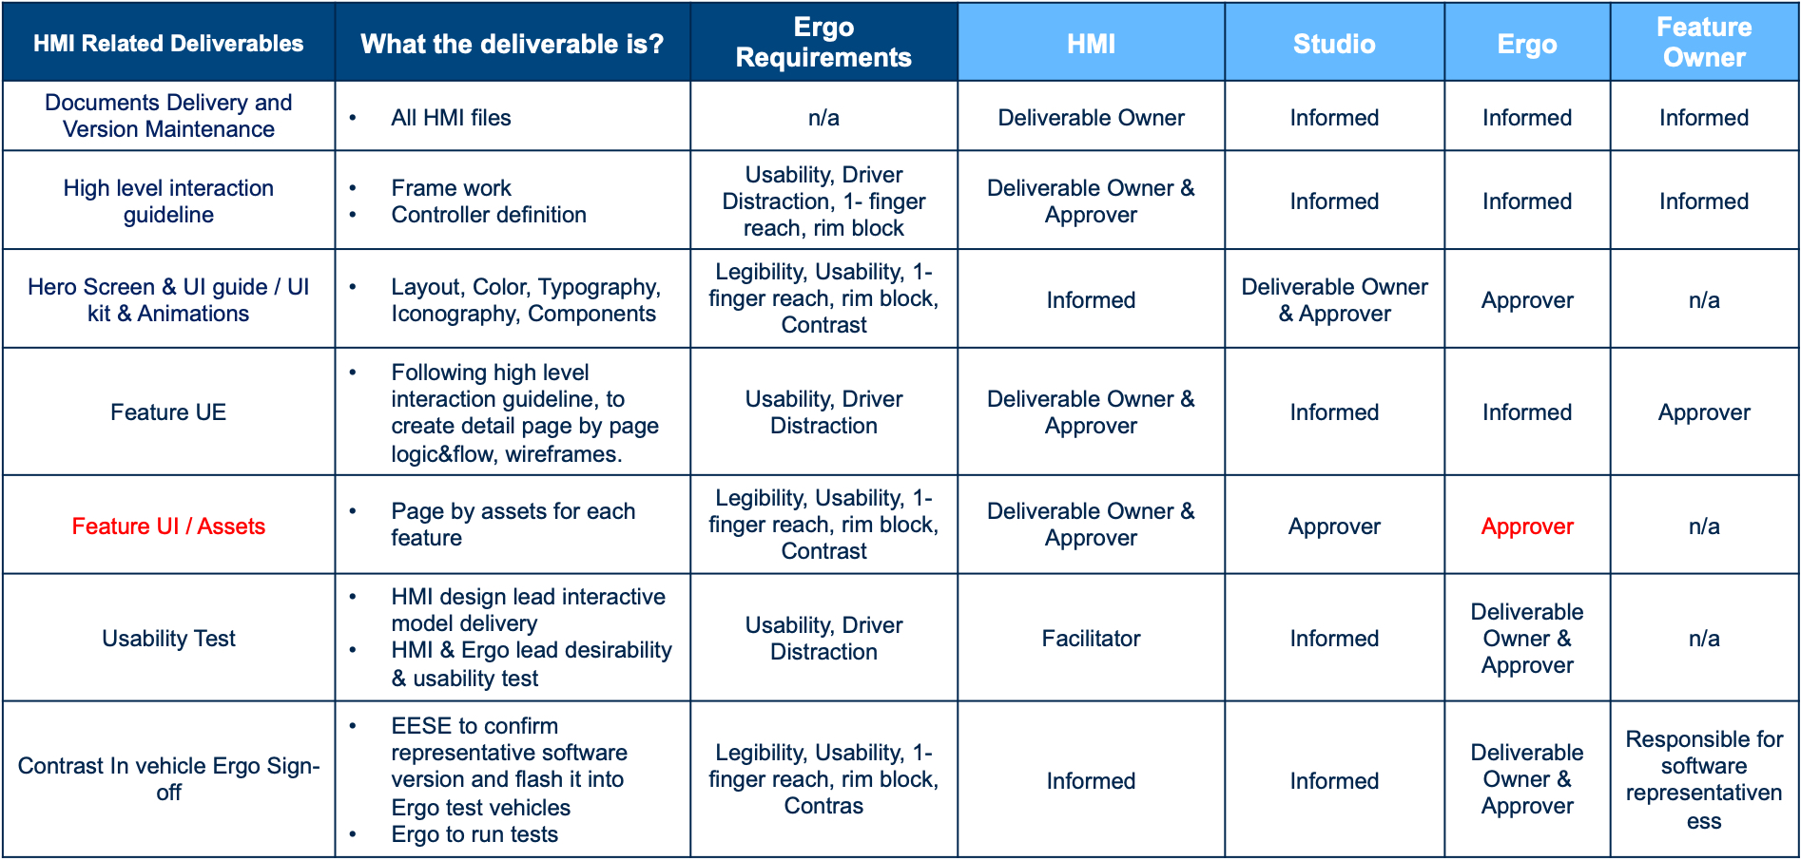

Timing Jan29
Feb 9
Jul 9
May | Jun | Jul | Aug | Sep | Oct | Nov | Dec | Jan | Feb | Mar | Apr | May | Jun | Jul | Aug | Sep | Oct | Nov | Dec | Jan | Feb | 2022-03-01 | 2022-04-01 | 2022-05-01 | 2022-06-01 | 2022-07-01 | 2022-08-01 | 2022-09-01 | 2022-10-01 | 2022-11-01 | 2022-12-01 | 2023-01-01 | 2023-02-01 | 2023-03-01 | 2023-04-01 | 2023-05-01 | 2023-06-01 | 2023-07-01 | 2023-08-01 | 2023-09-01 | 2023-10-01 | 2023-11-01 | 2023-12-01 | 2024-01-01 | 2024-02-01
FDJ
DCV

Pano
Wireframes

Function Spec clarification
Revisions as required
China SYNC+ Function Spec Clarification

Group A
Mar 1
Group B
Apr 15
Group C
May 15
Group D
Jul 1

Concept study
System-UI UE ready

clarification
Interaction spec / UE -- 4.5mon
Revisions as required

Supplier onboard
UE Delivery Start
Feb 2
Group A
Mar 15
Group B
Apr 30
Group C
May 31
Group D
Jul 15

Hero Screen & UI (under discussion)
Revisions as required

Hero Screen Delivery Start
Feb 23
Group A&B Pano
Mar 15
Group A&B Controller
Apr 15
Group C
May 31
Group D
Jul 9

China IVI HMI (Pano+Controller)

Pano + Controller Production assets /UI -- 4mon
Revisions as required

UI Delivery Start
Mar 1
Group B
Jun 15
Group C
Jul 31
Group D
Aug 31
Group A
Apr 30

Revisions as required
Usability validation external Clinic

SystemUI Usability validation

UE

China Rear Armrest Control Panel HMI
English
Jan.28
Chinese
Feb.10

Revisions
Hero Screeen

TBD
TBD

Assets

Kick off
Jan. 28

English
TBD
Chinese
TBD

SW Debug
DV Feature Coding
SW Coding with tooled display

China SYNC+ Software

PA Experience review

FDJ

Timing Jan17
Today
Feb 9
Jul 9
May | Jun | Jul | Aug | Sep | Oct | Nov | Dec | Jan | Feb | Mar | Apr | May | Jun | Jul | Aug | Sep | Oct | Nov | Dec | Jan | Feb | 2022-03-01 | 2022-04-01 | 2022-05-01 | 2022-06-01 | 2022-07-01 | 2022-08-01 | 2022-09-01 | 2022-10-01 | 2022-11-01 | 2022-12-01 | 2023-01-01 | 2023-02-01 | 2023-03-01 | 2023-04-01 | 2023-05-01 | 2023-06-01 | 2023-07-01 | 2023-08-01 | 2023-09-01 | 2023-10-01 | 2023-11-01 | 2023-12-01 | 2024-01-01 | 2024-02-01
FDJ
DCV

Pano
Wireframes
Concept study
System-UI UE ready

clarification
Interaction spec / UE -- 4.5mon
Revisions as required

Supplier onboard
Group A
Mar 15
Group B
Apr 30
Group C
May 31
Group D
Jul 15

HeroScreen

Studio initiate IVI Hero screem design, timing TBD

China IVI HMI timing

Pano(Zone 2/3/4) Production assets 3.5 mon
Revisions as required

Group A
May 15
Group B
Jun 30
Group C
Jul 31
Group D
Aug 31

Controller Production assets /UI -- 4mon
Revisions as required

Group B
Jun 15
Group C
Jul 31
Group D
Aug 31
Group A
Apr 30

Revisions as required
Usability validation external Clinic

SystemUI Usability validation

SW Debug
DV Feature Coding
SW Coding with tooled display

China SYNC+ Software

PA Experience review

Today
FDJ

